Instructions
Instructions
0. If last year data is available and representative in OAM portal, use sheet "OEE target setting tool" (preloaded data)
0. If Units were not in OAM-portal last year or data needs to be manually corrected use the sheet "OEE target setting (manual)"
0. See separate additional instructions for "OEE target setting (manual)" below
1. Select Unit to be reviewed from dropdown
2. Data 2024 is automatically loaded (source SAAG January 2025)
3. Check if OEE data (Column B) is correct.
4. Enter amount of Planned Turnarround and Planned Shutdown hours for 2025. Take into account type of planned activities 2025 (vs 2024) and improvement target as aligned with AM. Cell H29 will reflect the expected hours 2024.
If exception hours last Year to be corrected in baseline
 | 5, Enter approved exception hours over last year to taken into baseline OEE, otherwise leave at"0"
 | 6, See corrected OEE numbers and loss hours based on including exceptions
If substantial volume change expected vs Last Year
 | 7. If different volume compared to this year is expected, enter expected Volume Growth in %, otherwise leave at "0,0%"
 | 8, Volume change will impact the required hours running at MAC
If MAC changes during Last Year or before target setting (1)
 | 9,Cell shows the calculated MAC increase of current MAC vs the average MAC of last year
 | 10, Toggle to include or excluded the calculated the loss hours difference (actual vs normalized last year data) due to the MAC change.
 | "Exclude" when MAC change is purely due changed due to Process/installation change. Advice leave on exclude till step 23
 | 11. If MAC impact "included": Toggle (Yes/No) to distribute additional loss hours according distribution Last Year.
 | If toggle is set at "No" additional loss hours due to MAC change are visble here
 | If toggle is set at "Yes" hours are distributed and added to the Categories (Default value)
Impact exception and MAC change on baseline
 | 12. Corrected baseline for target setting. Both, Exception hours and Including MAC change will adpat the baseline for targetsetting in columns D&E
If wanted to deviate from Playbook Matrix improvement %
 | 13. Select to work with Playbook Target OEE improvement or a Manual entered value
 | 14. Manual entered OEE improvement (used if in step 4 manual is choosen)
15. Check: Utilization 2024 should never exceed 100%! This is based on OEE increase and expected volume increase (settings 4-16)
16.a You can choose to enter the proposed decreased in % or hrs (Column F)
16.b In Column F %PP distribution of the envisaged improvements over the specific categories should be filled. Tip: If you want to enter in hours you can use the "goal seek" menu in Excel (using column F).
17. The yellow field show the un allocated improvement target still to be distributed.
18. After the full allocation the not assigned improvement (yellow) should be 0. Itterate to reach challenging realistic OEE target.
19. Check in Column I&J the targeted OEE loss distibution for 2025
20. Column G show the envisaged improvements in hours
If MAC changes LY or CY (2)
 | 21. When distributed, there is the option to now include the impact off the MAC change on expected loss for next year, by setting the toggle of 10 (row 8) on "Include"
 | It can be that the expected improvement % from the playbook matrix is also adapted as the baseline OEE is changed. Either redistribute the delta or set target selection to manual to correct.
 | 22. By default set the the toggle to distribute the impact across the categories on "yes". Optional: if you want to manually distribute the additional loss due to MAC change, you can set toggle 11 (row 9) on "No".
 | This does requir additional changes to distribution (16) to come a proper loss distribution. The OEE target is not being impacted by this toggle. Only the distribution is adapted.
23. Check the final OEE target, Running OEE subtarget and expected Utilization and OAU in column F
24. Add Justification or remarks when deviating from playbook, also to capture logic in OEE improvement distibution. Write down specific asumptions taken into consideration.
25. Summary line (line 54) to be copied as values to Results tab (by using the copy botton at the top “copy results line to results sheet”.)
26. Create a copy of the Model sheet (by using the copy botton at the top ““save unit in separate sheet and clear this template sheet”)

Additional Instructions:
A. If the productmix is expected to be strongly different in 2025 take that into account for the target setting and distribution (14)
B. The target for the Planned Maintenance is to be aligned with the AM team and should reflect the planning for 2025 (step 4)
C. The improvements distributions should be reflected by actions taken into the SIP (step 16)
D. Deviations from OEE playbook matrix needs to be approved by the RMD
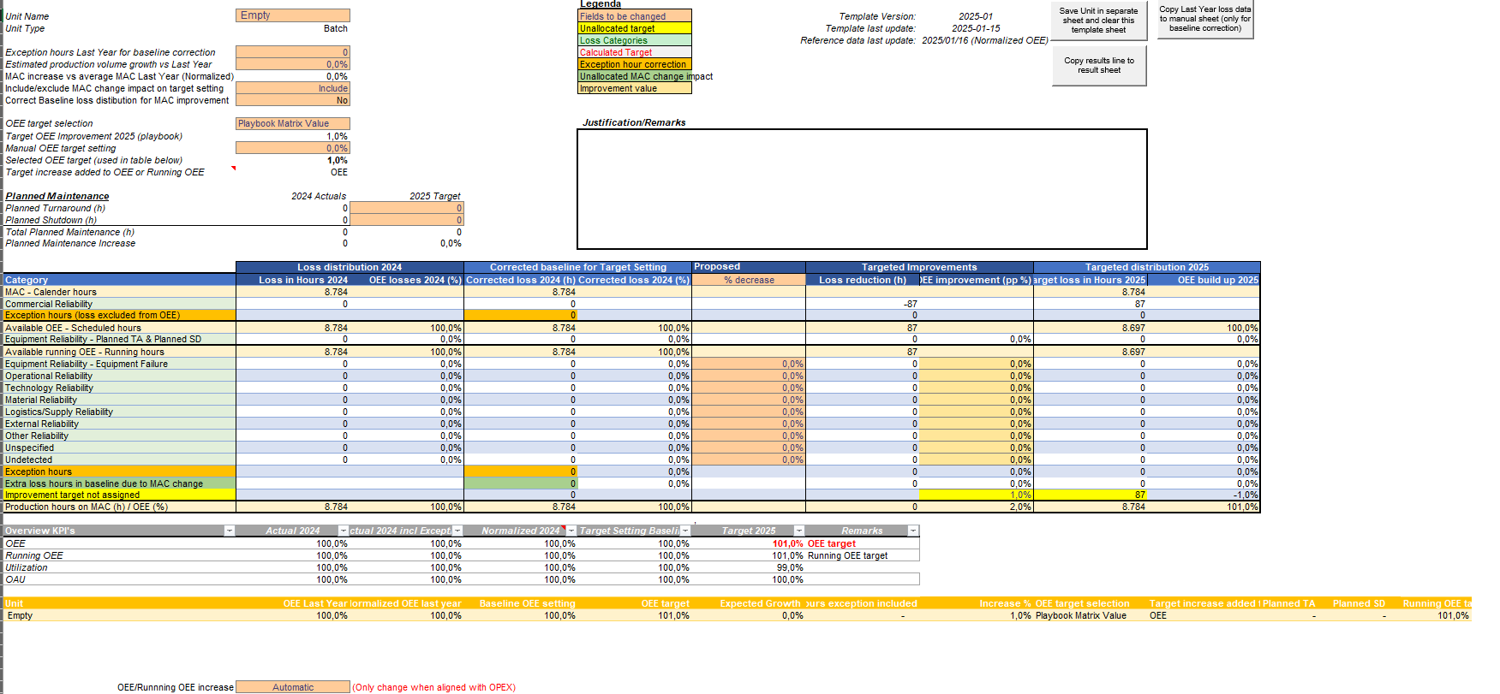
1
3
2
4
6
7
10
8
9
2
6
21
18
19
16B
15
14
13
17
19
20
23
24
25
3
12
12
22
25
26

5

11

16A

6

Units that do not have 2024 baseline data in the OAM portal
If no or incomplete data is available in the OAM portal for 2024, there the guidance is to use the Sheet "OEE target (manual)".
In this slide first manually the baseline for 2024 needs to be entered, before setting the target for 2025
1. Enter the unit name
2, Select Unit Type
3. Enter the reference data for 2024 in hours
4. Check if OEE data (Column C) is correct.
5. Manually enter the MAC change % vs average MAC of last year
The rest can be proceeded in the same manner as decribed above.
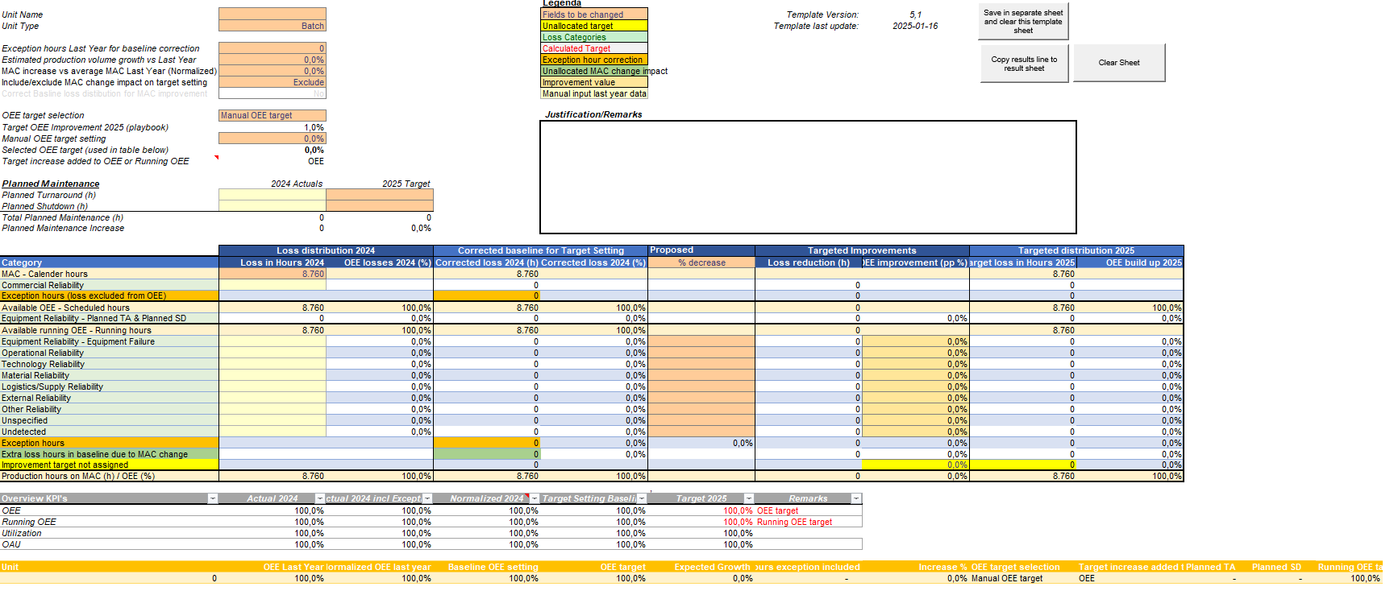
1
32
4
32
5
2
32
4
2

